System Architecture
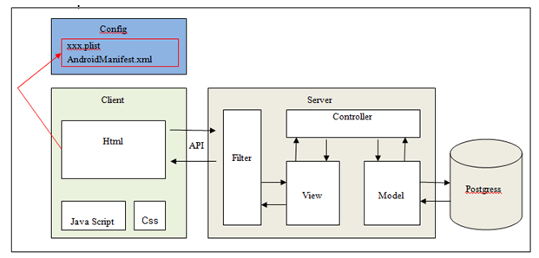
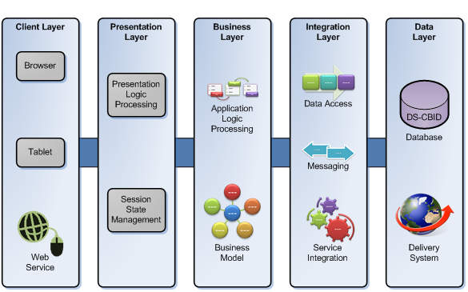
What is it?
The system architectural is the highest abstract version of the system. It identifies the software as a system with many components interacting with each other.
Why do it?
It help developers and customer have a overview the system
How do it?
Please view example below

Ex1: | Ex2:

Component
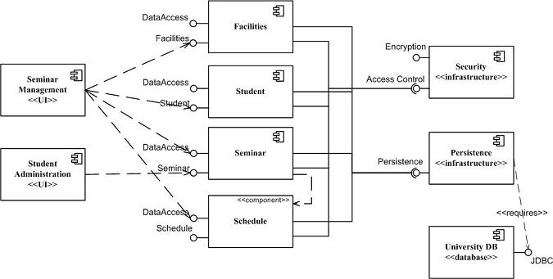
What is it?
The component diagram shows components, provided and required interfaces, and relationships between them
Why do it?
Visualize the components of a system, describe the organization and relationships of the components.
How do it?
Please view example below

Ex1: | Ex2:

Usecase diagram
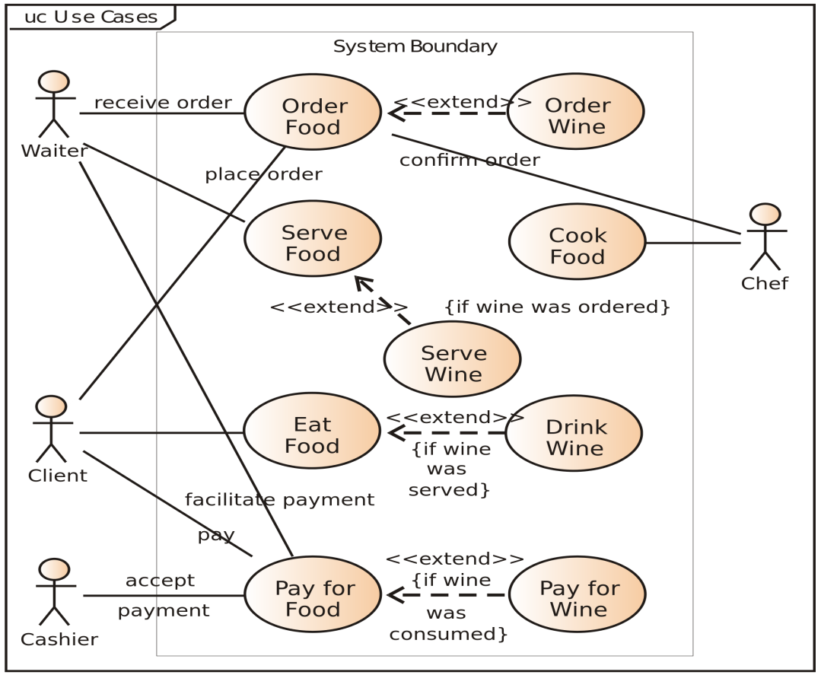
What is it?
The use case diagram is a simple representation of a user's interaction with the system and can describe the different types of users of a system
Why do it?
Used to gather requirements of a system, used to get an outside view of a system, show the interacting among the requirements are actors.
How do it?
Please view example below

Ex1: | Ex2:

